Sheet1
Item name | Quantity | Gender | Item Barcode | Item name | SKU | Quantity | Gender | Colour | Size
Men's Compressive Fit T-Shirt | 410 | Men | 5065006035215 | Women's Performance Sports Bra | W-ADJ-BRA-BLACK-L | 1,440 | Women | BLACK | L
Men's Ebb T-Shirt | 596 | Men | 5065006035208 | Women's Performance Sports Bra | W-ADJ-BRA-BLACK-M | 1,364 | Women | BLACK | M
Men's Ebb Vest | 534 | Men | 5065006035192 | Women's Performance Sports Bra | W-ADJ-BRA-BLACK-S | 730 | Women | BLACK | S
Men's Elevate 2-in-1 Shorts | 941 | Men | 5065006035222 | Women's Performance Sports Bra | W-ADJ-BRA-BLACK-XL | 260 | Women | BLACK | XL
Men's Fitted Tank Base Layer | 3,149 | Men | 5065006035185 | Women's Performance Sports Bra | W-ADJ-BRA-BLACK-XS | 140 | Women | BLACK | XS
Men's Long Sleeve Base Layer | 2,493 | Men | 5060937263331 | Women's Performance Sports Bra | W-ADJ-BRA-PLUS-BLACK-L | 23 | Women | BLACK | L
Mens Mid-Layer Zip | 746 | Men | 5060937260040 | Women's Performance Sports Bra | W-ADJ-BRA-PLUS-BLACK-L | 321 | Women | BLACK | L
Men's Pace Shorts | 1,300 | Men | 5060937263348 | Women's Performance Sports Bra | W-ADJ-BRA-PLUS-BLACK-M | 8 | Women | BLACK | M
Men's Pace Tights | 2,118 | Men | 5060937260033 | Women's Performance Sports Bra | W-ADJ-BRA-PLUS-BLACK-M | 928 | Women | BLACK | M
Men's 2-in-1 Performance Tank | 1,309 | Men | 5060937263355 | Women's Performance Sports Bra | W-ADJ-BRA-PLUS-BLACK-S | 8 | Women | BLACK | S
Men's Fitted Short Sleeve Base Layer | 5,576 | Men | 5060937260026 | Women's Performance Sports Bra | W-ADJ-BRA-PLUS-BLACK-S | 650 | Women | BLACK | S
Men's Racer Tank | 2,056 | Men | 5060937263362 | Women's Performance Sports Bra | W-ADJ-BRA-PLUS-BLACK-XL | 44 | Women | BLACK | XL
Unisex Lite Windbreaker Jacket | 518 | Unisex | 5060937263379 | Women's Performance Sports Bra | W-ADJ-BRA-PLUS-BLACK-XS | 504 | Women | BLACK | XS
Women's Ergo 7/8 Leggings | 603 | Women | 5060937260149 | Women's Performance Sports Bra | W-ADJ-BRA-PLUS-LUNARGREY-L | 129 | Women | LUNAR GREY | L
Women's Performance Sports Bra | 8,263 | Women | 5060937260132 | Women's Performance Sports Bra | W-ADJ-BRA-PLUS-LUNARGREY-M | 340 | Women | LUNAR GREY | M
Women's Bike Shorts | 556 | Women | 5060937260125 | Women's Performance Sports Bra | W-ADJ-BRA-PLUS-LUNARGREY-S | 260 | Women | LUNAR GREY | S
Women's Non-Adjustable Crop Bra | 608 | Women | 5060937263454 | Women's Performance Sports Bra | W-ADJ-BRA-PLUS-LUNARGREY-S | 70 | Women | LUNAR GREY | S
Women's Flow Cropped T-Shirt | 569 | Women | 5060937260156 | Women's Performance Sports Bra | W-ADJ-BRA-PLUS-LUNARGREY-XL | 28 | Women | LUNAR GREY | XL
Women's Elevate 2-in-1 Shorts | 767 | Women | 5060937260118 | Women's Performance Sports Bra | W-ADJ-BRA-PLUS-LUNARGREY-XS | 126 | Women | LUNAR GREY | XS
Women's Essential Flow Vest | 708 | Women | 5060937260095 | Women's Performance Sports Bra | W-ADJ-BRA-PLUS-PINEGREEN-L | 128 | Women | PINE GREEN | L
Women's Ergo Full Length Leggings | 742 | Women | 5060937263393 | Women's Performance Sports Bra | W-ADJ-BRA-PLUS-PINEGREEN-M | 11 | Women | PINE GREEN | M
Women's Merino Wool Base Layer | 541 | Women | 5060937260088 | Women's Performance Sports Bra | W-ADJ-BRA-PLUS-PINEGREEN-M | 350 | Women | PINE GREEN | M
Total | 35,103 |  | 5060937263409 | Women's Performance Sports Bra | W-ADJ-BRA-PLUS-PINEGREEN-S | 11 | Women | PINE GREEN | S
 |  |  | 5060937260071 | Women's Performance Sports Bra | W-ADJ-BRA-PLUS-PINEGREEN-S | 178 | Women | PINE GREEN | S
Total Men's | 21,228 |  | 5060937263416 | Women's Performance Sports Bra | W-ADJ-BRA-PLUS-PINEGREEN-XL | 58 | Women | PINE GREEN | XL
Total Women's | 13,357 |  | 5060937263423 | Women's Performance Sports Bra | W-ADJ-BRA-PLUS-PINEGREEN-XS | 18 | Women | PINE GREEN | XS
Total Unisex | 518 |  | 5060937260064 | Women's Performance Sports Bra | W-ADJ-BRA-PLUS-PINEGREEN-XS | 136 | Women | PINE GREEN | XS
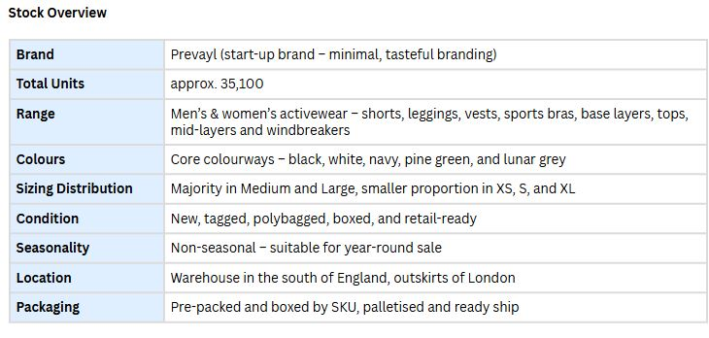
 |  |  | 5065006035130 | Women's Non-Adjustable Crop Bra | W-CROP-BRA-BLACK-L | 177 | Women | BLACK | L
 |  |  | 5065006035123 | Women's Non-Adjustable Crop Bra | W-CROP-BRA-BLACK-M | 186 | Women | BLACK | M
 |  |  | 5065006035116 | Women's Non-Adjustable Crop Bra | W-CROP-BRA-BLACK-S | 194 | Women | BLACK | S
 |  |  | 5065006035109 | Women's Non-Adjustable Crop Bra | W-CROP-BRA-BLACK-XS | 51 | Women | BLACK | XS
 |  |  | 5060937261054 | Women's Merino Wool Base Layer | W-MERINO-BASE-BLACK-L | 40 | Women | BLACK | L
 |  |  | 5060937261047 | Women's Merino Wool Base Layer | W-MERINO-BASE-BLACK-M | 80 | Women | BLACK | M
 |  |  | 5060937261030 | Women's Merino Wool Base Layer | W-MERINO-BASE-BLACK-S | 100 | Women | BLACK | S
 |  |  | 5060937261061 | Women's Merino Wool Base Layer | W-MERINO-BASE-BLACK-XL | 40 | Women | BLACK | XL
 |  |  | 5060937261023 | Women's Merino Wool Base Layer | W-MERINO-BASE-BLACK-XS | 45 | Women | BLACK | XS
 |  |  | 5060937261009 | Women's Merino Wool Base Layer | W-MERINO-BASE-PINEGREEN-L | 40 | Women | PINE GREEN | L
 |  |  | 5060937260996 | Women's Merino Wool Base Layer | W-MERINO-BASE-PINEGREEN-M | 47 | Women | PINE GREEN | M
 |  |  | 5060937260989 | Women's Merino Wool Base Layer | W-MERINO-BASE-PINEGREEN-S | 133 | Women | PINE GREEN | S
 |  |  | 5060937261016 | Women's Merino Wool Base Layer | W-MERINO-BASE-PINEGREEN-XL | 16 | Women | PINE GREEN | XL
 |  |  | 5060937261108 | Women's Flow Cropped T-Shirt | W-CROP-T-BLACK-L | 50 | Women | BLACK | L
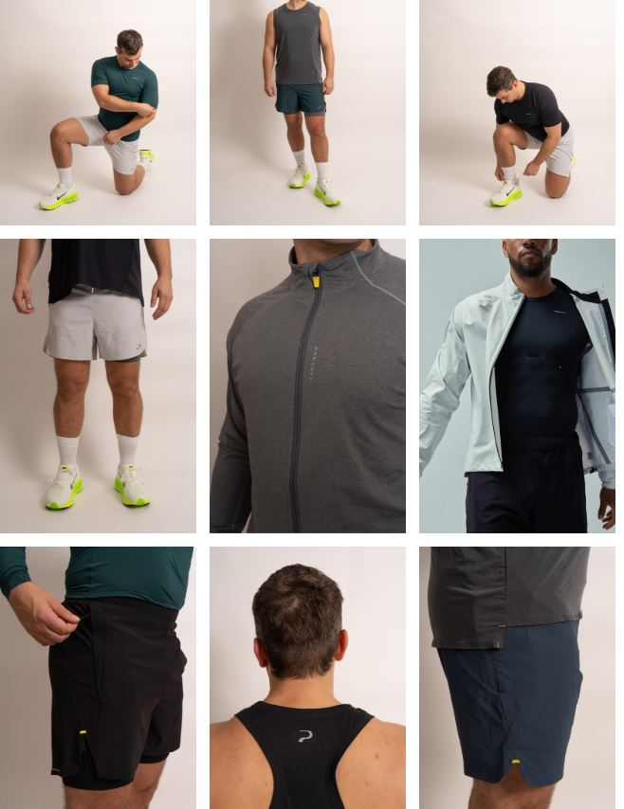
 |  |  | 5060937261092 | Women's Flow Cropped T-Shirt | W-CROP-T-BLACK-M | 95 | Women | BLACK | M
 |  |  | 5060937261085 | Women's Flow Cropped T-Shirt | W-CROP-T-BLACK-S | 100 | Women | BLACK | S
 |  |  | 5060937261078 | Women's Flow Cropped T-Shirt | W-CROP-T-BLACK-XS | 20 | Women | BLACK | XS
 |  |  | 5060937261153 | Women's Flow Cropped T-Shirt | W-CROP-T-WHITE-L | 65 | Women | WHITE | L
 |  |  | 5060937261146 | Women's Flow Cropped T-Shirt | W-CROP-T-WHITE-M | 89 | Women | WHITE | M
 |  |  | 5060937261139 | Women's Flow Cropped T-Shirt | W-CROP-T-WHITE-S | 75 | Women | WHITE | S
 |  |  | 5060937261122 | Women's Flow Cropped T-Shirt | W-CROP-T-WHITE-XS | 75 | Women | WHITE | XS
 |  |  | 5060937261207 | Women's Essential Flow Vest | W-FLOW-VEST-BLACK-L | 46 | Women | BLACK | L
 |  |  | 5060937262198 | Women's Essential Flow Vest | W-FLOW-VEST-BLACK-M | 206 | Women | BLACK | M
 |  |  | 5060937261177 | Women's Essential Flow Vest | W-FLOW-VEST-BLACK-WS | 134 | Women | BLACK | XS
 |  |  | 5060937261214 | Women's Essential Flow Vest | W-FLOW-VEST-BLACK-XL | 16 | Women | BLACK | XL
 |  |  | 5060937261252 | Women's Essential Flow Vest | White L | 21 | Women | WHITE | L
 |  |  | 5060937261245 | Women's Essential Flow Vest | White M | 91 | Women | WHITE | M
 |  |  | 5060937261238 | Women's Essential Flow Vest | White S | 143 | Women | WHITE | S
 |  |  | 5060937261269 | Women's Essential Flow Vest | White XL | 51 | Women | WHITE | XL
 |  |  | 5060937260552 | Women's Ergo Full Length Leggings | W-FULL-LEGGINGS-BLACK-L | 56 | Women | BLACK | L
 |  |  | 5060937260545 | Women's Ergo Full Length Leggings | W-FULL-LEGGINGS-BLACK-M | 112 | Women | BLACK | M
 |  |  | 5060937260538 | Women's Ergo Full Length Leggings | W-FULL-LEGGINGS-BLACK-S | 147 | Women | BLACK | S
 |  |  | 5060937260569 | Women's Ergo Full Length Leggings | W-FULL-LEGGINGS-BLACK-XL | 54 | Women | BLACK | XL
 |  |  | 5060937260521 | Women's Ergo Full Length Leggings | W-FULL-LEGGINGS-BLACK-XS | 130 | Women | BLACK | XS
 |  |  | 5060937260606 | Women's Ergo Full Length Leggings | W-FULL-LEGGINGS-PINEGREEN-L | 49 | Women | PINE GREEN | L
 |  |  | 5060937260590 | Women's Ergo Full Length Leggings | W-FULL-LEGGINGS-PINEGREEN-M | 107 | Women | PINE GREEN | M
 |  |  | 5060937260583 | Women's Ergo Full Length Leggings | W-FULL-LEGGINGS-PINEGREEN-S | 46 | Women | PINE GREEN | S
 |  |  | 5060937260576 | Women's Ergo Full Length Leggings | W-FULL-LEGGINGS-PINEGREEN-XS | 41 | Women | PINE GREEN | XS
 |  |  | 5060937260903 | Women's Ergo 7/8 Leggings | W-7/8LEGGINGS-BLACK-L | 116 | Women | BLACK | L
 |  |  | 5060937260897 | Women's Ergo 7/8 Leggings | W-7/8LEGGINGS-BLACK-M | 77 | Women | BLACK | M
 |  |  | 5060937260880 | Women's Ergo 7/8 Leggings | W-7/8LEGGINGS-BLACK-S | 126 | Women | BLACK | S
 |  |  | 5060937260910 | Women's Ergo 7/8 Leggings | W-7/8LEGGINGS-BLACK-XL | 17 | Women | BLACK | XL
 |  |  | 5060937260958 | Women's Ergo 7/8 Leggings | W-7/8LEGGINGS-PINEGREEN-L | 47 | Women | PINE GREEN | L
 |  |  | 5060937260941 | Women's Ergo 7/8 Leggings | W-7/8LEGGINGS-PINEGREEN-M | 81 | Women | PINE GREEN | M
 |  |  | 5060937260934 | Women's Ergo 7/8 Leggings | W-7/8LEGGINGS-PINEGREEN-S | 139 | Women | PINE GREEN | S
 |  |  | 5060937260651 | Women's Elevate 2-in-1 Shorts | W-ELEVATE-SHORTS-BLACK-L | 59 | Women | BLACK | L
 |  |  | 5060937260644 | Women's Elevate 2-in-1 Shorts | W-ELEVATE-SHORTS-BLACK-M | 118 | Women | BLACK | M
 |  |  | 5060937260637 | Women's Elevate 2-in-1 Shorts | W-ELEVATE-SHORTS-BLACK-S | 116 | Women | BLACK | S
 |  |  | 5060937260668 | Women's Elevate 2-in-1 Shorts | W-ELEVATE-SHORTS-BLACK-XL | 30 | Women | BLACK | XL
 |  |  | 5060937260620 | Women's Elevate 2-in-1 Shorts | W-ELEVATE-SHORTS-BLACK-XS | 53 | Women | BLACK | XS
 |  |  | 5060937260750 | Women's Elevate 2-in-1 Shorts | W-ELEVATE-SHORTS-LUNARGREY-L | 36 | Women | LUNAR GREY | L
 |  |  | 5060937260743 | Women's Elevate 2-in-1 Shorts | W-ELEVATE-SHORTS-LUNARGREY-M | 84 | Women | LUNAR GREY | M
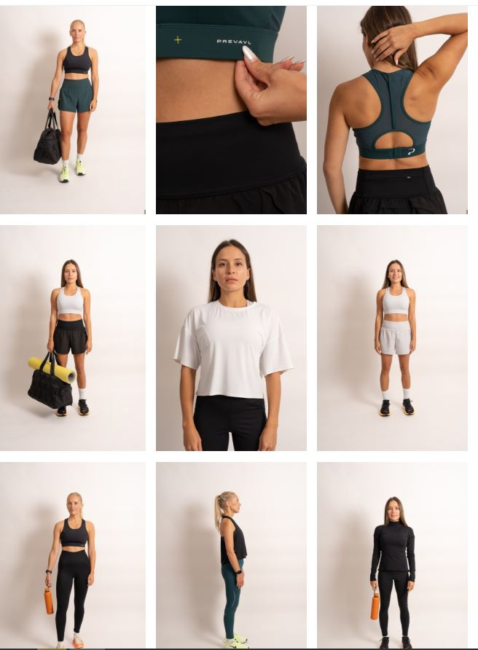
 |  |  | 5060937260729 | Women's Elevate 2-in-1 Shorts | W-ELEVATE-SHORTS-LUNARGREY-XS | 75 | Women | LUNAR GREY | XS
 |  |  | 5060937260705 | Women's Elevate 2-in-1 Shorts | W-ELEVATE-SHORTS-PINEGREEN-L | 38 | Women | PINE GREEN | L
 |  |  | 5060937260699 | Women's Elevate 2-in-1 Shorts | W-ELEVATE-SHORTS-PINEGREEN-M | 60 | Women | PINE GREEN | M
 |  |  | 5060937260682 | Women's Elevate 2-in-1 Shorts | W-ELEVATE-SHORTS-PINEGREEN-S | 98 | Women | PINE GREEN | S
 |  |  | 5060937260804 | Women's Bike Shorts | W-BIKE-SHORTS-BLACK-L | 68 | Women | BLACK | L
 |  |  | 5060937260781 | Women's Bike Shorts | W-BIKE-SHORTS-BLACK-S | 188 | Women | BLACK | S
 |  |  | 5060937260774 | Women's Bike Shorts | W-BIKE-SHORTS-BLACK-XS | 54 | Women | BLACK | XS
 |  |  | 5060937260842 | Women's Bike Shorts | W-BIKE-SHORTS-PINEGREEN-M | 73 | Women | PINE GREEN | M
 |  |  | 5060937260835 | Women's Bike Shorts | W-BIKE-SHORTS-PINEGREEN-S | 81 | Women | PINE GREEN | S
 |  |  | 5060937260866 | Women's Bike Shorts | W-BIKE-SHORTS-PINEGREEN-XL | 55 | Women | PINE GREEN | XL
 |  |  | 5060937260828 | Women's Bike Shorts | W-BIKE-SHORTS-PINEGREEN-XS | 37 | Women | PINE GREEN | XS
 |  |  | 5060937261306 | Unisex Lite Windbreaker Jacket | UNI-WINDBREAKER-BLACK-L | 115 | Unisex | BLACK | L
 |  |  | 5060937261290 | Unisex Lite Windbreaker Jacket | UNI-WINDBREAKER-BLACK-M | 70 | Unisex | BLACK | M
 |  |  | 5060937261283 | Unisex Lite Windbreaker Jacket | UNI-WINDBREAKER-BLACK-S | 51 | Unisex | BLACK | S
 |  |  | 5060937261313 | Unisex Lite Windbreaker Jacket | UNI-WINDBREAKER-BLACK-XL | 60 | Unisex | BLACK | XL
 |  |  | 5060937261351 | Unisex Lite Windbreaker Jacket | UNI-WINDBREAKER-LUNARGREY-L | 92 | Unisex | LUNAR GREY | L
 |  |  | 5060937261344 | Unisex Lite Windbreaker Jacket | UNI-WINDBREAKER-LUNARGREY-M | 50 | Unisex | LUNAR GREY | M
 |  |  | 5060937261337 | Unisex Lite Windbreaker Jacket | UNI-WINDBREAKER-LUNARGREY-S | 29 | Unisex | LUNAR GREY | S
 |  |  | 5060937261368 | Unisex Lite Windbreaker Jacket | UNI-WINDBREAKER-LUNARGREY-XL | 51 | Unisex | LUNAR GREY | XL
 |  |  | 5065006035062 | Men's Compressive Fit T-Shirt | M-T-BLACK-S | 338 | Men | BLACK | S
 |  |  | 5065006035055 | Men's Compressive Fit T-Shirt | M-T-BLACK-XS | 72 | Men | BLACK | XS
 |  |  | 5065006035291 | Men's Fitted Short Sleeve Base Layer | M-SMART-T-BLACK-L | 197 | Men | BLACK | L
 |  |  | 5060937262990 | Men's Fitted Short Sleeve Base Layer | M-SMART-T-BLACK-S | 16 | Men | BLACK | S
 |  |  | 5065006035307 | Men's Fitted Short Sleeve Base Layer | M-SMART-T-BLACK-XL | 24 | Men | BLACK | XL
 |  |  | 5065006035420 | Men's Fitted Short Sleeve Base Layer | M-SMART-T-BLACK-XS | 255 | Men | BLACK | XS
 |  |  | 5065006035345 | Men's Fitted Short Sleeve Base Layer | M-SMART-T-PINEGREEN-L | 595 | Men | PINE GREEN | L
 |  |  | 5065006035338 | Men's Fitted Short Sleeve Base Layer | M-SMART-T-PINEGREEN-M | 594 | Men | PINE GREEN | M
 |  |  | 5065006035352 | Men's Fitted Short Sleeve Base Layer | M-SMART-T-PINEGREEN-XL | 241 | Men | PINE GREEN | XL
 |  |  | 5065006035031 | Men's Racer Tank | M-TANK-BLACK-L | 862 | Men | BLACK | L
 |  |  | 5065006035024 | Men's Racer Tank | M-TANK-BLACK-M | 968 | Men | BLACK | M
 |  |  | 5065006035048 | Men's Racer Tank | M-TANK-BLACK-XL | 226 | Men | BLACK | XL
 |  |  | 5060937260200 | Men's Pace Tights | M-PACE-TIGHTS-BLACK-L | 487 | Men | BLACK | L
 |  |  | 5060937260194 | Men's Pace Tights | M-PACE-TIGHTS-BLACK-M | 327 | Men | BLACK | M
 |  |  | 5060937260187 | Men's Pace Tights | M-PACE-TIGHTS-BLACK-S | 205 | Men | BLACK | S
 |  |  | 5060937260217 | Men's Pace Tights | M-PACE-TIGHTS-BLACK-XL | 276 | Men | BLACK | XL
 |  |  | 5060937260170 | Men's Pace Tights | M-PACE-TIGHTS-BLACK-XS | 71 | Men | BLACK | XS
 |  |  | 5060937261450 | Men's Pace Tights | M-PACE-TIGHTS-IRONGREY-L | 272 | Men | IRON GREY | L
 |  |  | 5060937261443 | Men's Pace Tights | M-PACE-TIGHTS-IRONGREY-M | 184 | Men | IRON GREY | M
 |  |  | 5060937261436 | Men's Pace Tights | M-PACE-TIGHTS-IRONGREY-S | 122 | Men | IRON GREY | S
 |  |  | 5060937261467 | Men's Pace Tights | M-PACE-TIGHTS-IRONGREY-XL | 142 | Men | IRON GREY | XL
 |  |  | 5060937261429 | Men's Pace Tights | M-PACE-TIGHTS-IRONGREY-XS | 32 | Men | IRON GREY | XS
 |  |  | 5060937260255 | Men's Pace Shorts | M-PACE-SHORTS-BLACK-L | 92 | Men | BLACK | L
 |  |  | 5060937260248 | Men's Pace Shorts | M-PACE-SHORTS-BLACK-M | 13 | Men | BLACK | M
 |  |  | 5060937260231 | Men's Pace Shorts | M-PACE-SHORTS-BLACK-S | 74 | Men | BLACK | S
 |  |  | 5060937260262 | Men's Pace Shorts | M-PACE-SHORTS-BLACK-XL | 30 | Men | BLACK | XL
 |  |  | 5060937260354 | Men's Pace Shorts | M-PACE-SHORTS-LUNAR-GREY-L | 100 | Men | LUNAR GREY | L
 |  |  | 5060937260347 | Men's Pace Shorts | M-PACE-SHORTS-LUNAR-GREY-M | 50 | Men | LUNAR GREY | M
 |  |  | 5060937260330 | Men's Pace Shorts | M-PACE-SHORTS-LUNAR-GREY-S | 65 | Men | LUNAR GREY | S
 |  |  | 5060937260361 | Men's Pace Shorts | M-PACE-SHORTS-LUNAR-GREY-XL | 50 | Men | LUNAR GREY | XL
 |  |  | 5060937261689 | Men's Pace Shorts | M-PACE-SHORTS-NAVY-L | 120 | Men | NAVY | L
 |  |  | 5060937261672 | Men's Pace Shorts | M-PACE-SHORTS-NAVY-M | 219 | Men | NAVY | M
 |  |  | 5060937261665 | Men's Pace Shorts | M-PACE-SHORTS-NAVY-S | 102 | Men | NAVY | S
 |  |  | 5060937261696 | Men's Pace Shorts | M-PACE-SHORTS-NAVY-XL | 98 | Men | NAVY | XL
 |  |  | 5060937260309 | Men's Pace Shorts | M-PACE-SHORTS-PINE-GREEN-L | 123 | Men | PINE GREEN | L
 |  |  | 5060937260286 | Men's Pace Shorts | M-PACE-SHORTS-PINE-GREEN-S | 120 | Men | PINE GREEN | S
 |  |  | 5060937260316 | Men's Pace Shorts | M-PACE-SHORTS-PINE-GREEN-XL | 44 | Men | PINE GREEN | XL
 |  |  | 5060937261405 | Mens Mid-Layer Zip | M-MIDLAYER-ZIP-GREY-L | 209 | Men | GREY | L
 |  |  | 5060937261399 | Mens Mid-Layer Zip | M-MIDLAYER-ZIP-GREY-M | 165 | Men | GREY | M
 |  |  | 5060937261382 | Mens Mid-Layer Zip | M-MIDLAYER-ZIP-GREY-S | 143 | Men | GREY | S
 |  |  | 5060937261412 | Mens Mid-Layer Zip | M-MIDLAYER-ZIP-GREY-XL | 189 | Men | GREY | XL
 |  |  | 5060937261375 | Mens Mid-Layer Zip | M-MIDLAYER-ZIP-GREY-XS | 40 | Men | GREY | XS
 |  |  | 5065006035444 | Men's Long Sleeve Base Layer | M-LONGSL-T-BLACK-L | 740 | Men | BLACK | L
 |  |  | 5065006035437 | Men's Long Sleeve Base Layer | M-LONGSL-T-BLACK-M | 580 | Men | BLACK | M
 |  |  | 5065006035451 | Men's Long Sleeve Base Layer | M-LONGSL-T-BLACK-XL | 187 | Men | BLACK | XL
 |  |  | 5060937263256 | Men's Long Sleeve Base Layer | M-LONGSL-T-BLACK-XL | 88 | Men | BLACK | XL
 |  |  | 5065006035499 | Men's Long Sleeve Base Layer | M-LONGSL-T-PINEGREEN-L | 269 | Men | PINE GREEN | L
 |  |  | 5065006035482 | Men's Long Sleeve Base Layer | M-LONGSL-T-PINEGREEN-M | 401 | Men | PINE GREEN | M
 |  |  | 5065006035475 | Men's Long Sleeve Base Layer | M-LONGSL-T-PINEGREEN-S | 70 | Men | PINE GREEN | S
 |  |  | 5065006035505 | Men's Long Sleeve Base Layer | M-LONGSL-T-PRINEGREEN-XL | 123 | Men | PINE GREEN | XL
 |  |  | 5060937263300 | Men's Long Sleeve Base Layer | M-LONGSL-T-PRINEGREEN-XL | 35 | Men | PINE GREEN | XL
 |  |  | 5060937263072 | Men's Fitted Tank Base Layer | M-FITTED-TANK-BLACK-L | 20 | Men | BLACK | L
 |  |  | 5065006035598 | Men's Fitted Tank Base Layer | M-FITTED-TANK-BLACK-L | 717 | Men | BLACK | L
 |  |  | 5060937263089 | Men's Fitted Tank Base Layer | M-FITTED-TANK-BLACK-M | 14 | Men | BLACK | M
 |  |  | 5065006035581 | Men's Fitted Tank Base Layer | M-FITTED-TANK-BLACK-M | 583 | Men | BLACK | M
 |  |  | 5060937263096 | Men's Fitted Tank Base Layer | M-FITTED-TANK-BLACK-S | 134 | Men | BLACK | S
 |  |  | 5065006035574 | Men's Fitted Tank Base Layer | M-FITTED-TANK-BLACK-S | 122 | Men | BLACK | S
 |  |  | 5060937263102 | Men's Fitted Tank Base Layer | M-FITTED-TANK-BLACK-XL | 308 | Men | BLACK | XL
 |  |  | 5060937263119 | Men's Fitted Tank Base Layer | M-FITTED-TANK-BLACK-XS | 71 | Men | BLACK | XS
 |  |  | 5060937263126 | Men's Fitted Tank Base Layer | M-FITTED-TANK-PINEGREEN-L | 19 | Men | PINE GREEN | L
 |  |  | 5065006035642 | Men's Fitted Tank Base Layer | M-FITTED-TANK-PINEGREEN-L | 364 | Men | PINE GREEN | L
 |  |  | 5060937263133 | Men's Fitted Tank Base Layer | M-FITTED-TANK-PINEGREEN-M | 17 | Men | PINE GREEN | M
 |  |  | 5065006035635 | Men's Fitted Tank Base Layer | M-FITTED-TANK-PINEGREEN-M | 416 | Men | PINE GREEN | M
 |  |  | 5060937263140 | Men's Fitted Tank Base Layer | M-FITTED-TANK-PINEGREEN-S | 18 | Men | PINE GREEN | S
 |  |  | 5065006035628 | Men's Fitted Tank Base Layer | M-FITTED-TANK-PINEGREEN-S | 98 | Men | PINE GREEN | S
 |  |  | 5060937263157 | Men's Fitted Tank Base Layer | M-FITTED-TANK-PINEGREEN-XL | 15 | Men | PINE GREEN | XL
 |  |  | 5065006035659 | Men's Fitted Tank Base Layer | M-FITTED-TANK-PINEGREEN-XL | 193 | Men | PINE GREEN | XL
...

